Bid sheet
ATTENTION:
The auction is a pay as bid auction.
Allocation
GSD will sort all Bids from the highest to the lowest price, and allocate the capacity from the top until no more capacity is available or no more capacity is demanded. In case of a successful bid, the resulting price will be the bidding price the customer has submitted in the auction.
Additional flexibility up to 120 days injection and 60 days withdrawal can be booked after the Auction. All storage customers successfully bidding on the Auction are welcome to submit request for additional flexibility prior to 16:00 on Thursday, 26 April 2018. For calculation of total price incl. added flexibility , please use "Flexibility price calculator" on the last sheet in this file.
The unit prices for additional Firm Injection Capacity and Firm Withdrawal Capacity have been determined to:
650 €/MW for injection capacity
650 €/MW for withdrawal capacity
The reservation price will be published the day of the auction 25 April 2018 before 11:00 (CET). All bids below the reservation price will not be taken in to account in the auction.
The storage period is 1 year starting from 1st May 2018.
How to use the bid sheet
1 Fill out Company name , Phone number and Contact person.
2 Enter your Bid's volume (MWh) in the column "Volume" and the corresponding price in the column "Price". This must be done for every bid in the yellow columns "Volume" and "Price".
3 Specify whether the highest bid is a "Fixed" or a "Fill" bid (Auction Rules , clause 6.8.)
4 Bids are to be in descending price
5 Save the bid sheet and mail it to contact@gasstorage.dk
Calculations
The price per storage year for each bid is calculated in column “Bid”
The total volume cleared at the bid price is calculated in column “Total volume bid” inclusive the bids given with a higher price.
The total price for the total cleared bids is calculated in column "Total price"
Company name | Name |  | SBU | Volume | Injection | Withdrawal
Contact | Phone number |  | Maximum capacities | 410,000 MWh/SY | 100,490 kWh/h | 200,980 kWh/h
Contact person | Name |  | SBU | 1 MWh | 0.2451 kWh/h | 0.4902 kWh/h
 |  |  |  |  | 170 days | 85 days
Fixed or fill bid

Customer | Bid number | Volume[MWh] | Price [€/MWh/year] | Bid [€/storage year] | Total volume bid | Total price [€/storage year]
 | 1
 | 2
 | 3
 | 4
 | 5
 | 6
 | 7
 | 8
 | 9
 | 10
 | 11
 | 12
 | 13
 | 14
 | 15
 | 16
 | 17
 | 18
 | 19
 | 20

Example
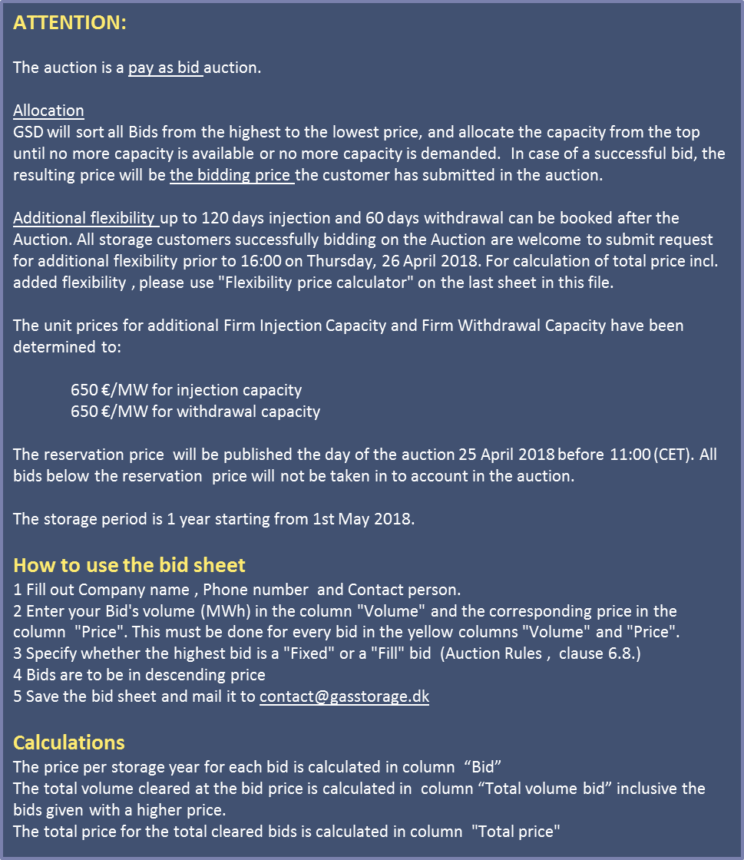
Company name | Energicia |  | SBU | Volume | Injection | Withdrawal
Contact | +45 30 67 47 27 |  | Maximum capacities | 410,000 MWh/SY | 100,490 kWh/h | 200,980 kWh/h
Contact person | Emil Karlsson |  | SBU | 1 MWh | 0.2451 kWh/h | 0.4902 kWh/h
 |  |  |  |  | 170 days | 85 days
Fixed or fill bid | Fill bid

Customer | Bid number | Volume[MWh] | price [€/MWh/year] | Bid [€/storage year] | Total volume bid | Total price [€/storage year]
Energicia | 1 | 100,000 | 3.40 | 340,000 €/SY | 100,000 MWh | 340,000 €/SY
Energicia | 2 | 100,000 | 3.20 | 320,000 €/SY | 200,000 MWh | 660,000 €/SY
Energicia | 3 | 100,000 | 3.15 | 315,000 €/SY | 300,000 MWh | 975,000 €/SY
Energicia | 4 | 100,000 | 3.10 | 310,000 €/SY | 400,000 MWh | 1,285,000 €/SY
Energicia | 5 | 100,000 | 3.05 | 305,000 €/SY | 500,000 MWh | 1,590,000 €/SY
Energicia | 6 | 350,000 | 3.00 | 1,050,000 €/SY | 850,000 MWh | 2,640,000 €/SY
 | 7 |  |  |  |  | #VALUE!
 | 8 |  |  |  |  | #VALUE!
 | 9 |  |  |  |  | #VALUE!
 | 10 |  |  |  |  | #VALUE!
 | 11 |  |  |  |  | #VALUE!
 | 12 |  |  |  |  | #VALUE!
 | 13 |  |  |  |  | #VALUE!
 | 14 |  |  |  |  | #VALUE!
 | 15 |  |  |  |  | #VALUE!
 | 16 |  |  |  |  | #VALUE!
 | 17 |  |  |  |  | #VALUE!
 | 18 |  |  |  |  | #VALUE!
 | 19 |  |  |  |  | #VALUE!
 | 20 |  |  |  |  | #VALUE!

Flexibility price calculater
Price calculater
The price calculater will help you calculate the price inclusive added flexibility to your accuired capacity.
instructions:
Fill in the blue coullered boxes only:
1) Fill in the price and volume you are planing to bid for in the auction or your final result from the auction
2) Fill in the total volume accuired
3) Fill in the flexibility of the product. Please be aware of the limit (max flex is 120/60).
The price for your capacity will now be calculated pr. MWh and for the total amount.
Attention:
The prices in this sheet are only indicative. The prices will be final determined on 22 March.
Price calculater

Price input
 | €/MWh
Price seasonal flex SBU | 1.1 | final determined by action result
Price aditional injection | 650
Price aditional withdrawal | 650

Volume
 | MWh
Insert volume | 210,000

Flexibility
 | days
Insert injection rate | 150 | Between 120 and 170
Insert withdrawal rate | 70 | Between 60 and 85

Capacity based on chosen flexibility
 | MWh | Total capacity (MW)
Injection capacity | 0.00028 | 58
Withdrawal capacity | 0.00060 | 125

Price calculation
 | €/MWh | Total (€)
Price seasonal flex SBU | 1.1000 | 231,000

Price ekstra flexibility
Injection capacity | 0.0212 | 4,461
Withdrawal capacity | 0.0683 | 14,338

Total PRICE | 1.1895 | 249,799

