Bid sheet
ATTENTION:
The Auction is a sealed bid auction with a Market Clearing Price .
Allocation
GSD will sort all Bids from the highest to the lowest price, and allocate the capacity from the top until no more capacity is available or no more capacity is demanded. In case of a successful bid, the resulting price will be the Market Clearing Price as calculated and announced ny GSD after auction close (Auction Rules , clause 6.7.)
Additional flexibility up to 120 days injection and 60 days withdrawal can be booked within 48 hours after end of the auction.
Price for additional injection is: 750 €/MWh
Price for addition withdrawal is: 3,000 €/MWh
For calculation of total price incl. added flexibility , please use "Flexibility price calculator" on the last sheet in this file.
The reservation price is 2.6 €/MWh. All bids below the reservation price will not be taken in to account in the auction.
The storage period is 1 year starting from 1st May 2019.
How to use the bid sheet
1 Fill out Company name and contact phone number
2 Enter the volume (MWh) in "volume" and price in "Price" for every bid in the yellow columns
3 Specify whether the highest bid is a fixed volume or a fill bid
4 Bids are to be in descending price
5 Save the bid sheet and mail it to contact@gasstorage.dk
Calculations
The price per storage year for each bid is calculated in column “Bid”
The total volume cleared at the bid price is calculated in column “Total volume bid”
The total price for the total cleared bid is calculated in column "Total price"
Company name | Name |  | SBU | Volume | Injection | Withdrawal
Contact | Phone number |  | Maximum capacities | 831.000 MWh | 203 MW | 203 MW
Contact person | Name |  | SBU | 1 MWh | 0.2451 kW | 0.2451 kW
 |  |  |  |  | 170 days | 170 days
Fixed or fill bid

Customer | Bid number | Volume[MWh] | price [€/MWh/year] | Bid [€/storage year] | Total volume bid | Total price [€/storage year]
 | 1
 | 2
 | 3
 | 4
 | 5
 | 6
 | 7
 | 8
 | 9
 | 10
 | 11
 | 12
 | 13
 | 14
 | 15
 | 16
 | 17
 | 18
 | 19
 | 20

Example
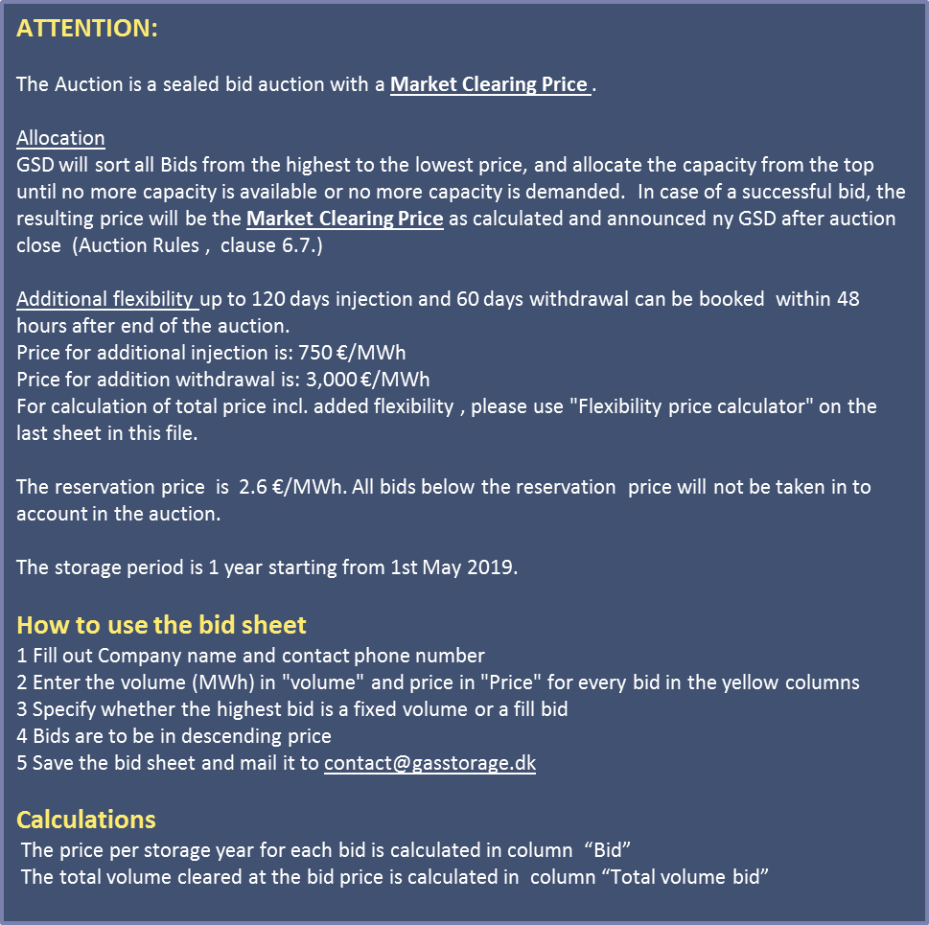
Company name | Energicia |  | SBU | Volume | Injection | Withdrawal
Contact | +45 30 67 47 27 |  | Maximum capacities | 831.000 MWh | 203 MW | 203 MW
Contact person | Emil Karlsson |  | SBU | 1 MWh | 0.2451 kW | 0.2451 kW
 |  |  |  |  | 170 days | 170 days
Fixed or fill bid | Fill bid

Customer | Bid number | Volume[MWh] | price [€/MWh/year] | Bid [€/storage year] | Total volume bid | Total price [€/storage year]
Energicia | 1 | 100,000 | 3.10 | 310,000 €/SY | 100,000 MWh | 310,000 €/SY
Energicia | 2 | 100,000 | 3.00 | 300,000 €/SY | 200,000 MWh | 600,000 €/SY
Energicia | 3 | 100,000 | 2.80 | 280,000 €/SY | 300,000 MWh | 840,000 €/SY
Energicia | 4 | 100,000 | 2.60 | 260,000 €/SY | 400,000 MWh | 1,040,000 €/SY
 | 5
 | 6
 | 7
 | 8
 | 9
 | 10
 | 11
 | 12
 | 13
 | 14
 | 15
 | 16
 | 17
 | 18
 | 19
 | 20

Flexibility price calculater
Price calculater
The price calculater will help you calculate the price inclusive added flexibility to your accuired capacity.
instructions:
Fill in the turquoise coullered boxes only:
Fill in the price and volume you will enter in the auction or the final result from the auction
Fill in the total volume accuired
Fill in the flexibility of the product. Be aware of the limits.
The price for your capacity will now be calculated pr. MWh and for the total amount.
Attention:
The prices in this sheet are only indicative.
Price calculater

Price input
 | €/MWh
Price seasonal flex SBU | 2.6 | final determined by action result
Price aditional injection | 750
Price aditional withdrawal | 3000

Volume
 | MWh
Insert volume | 100,000

Flexibility
 | days
Insert injection rate | 170 | Between 120 and 170
Insert withdrawal rate | 170 | Between 60 and 85

Capacity based on chosen flexibility
 | MWh | Total capacity (MW)
Injection capacity | 0.00025 | 25
Withdrawal capacity | 0.00025 | 25

Price calculation
 | €/MWh | Total (€)
Price seasonal flex SBU | 2.6000 | 260,000

Price ekstra flexibility
Injection capacity | 0.0000 | -
Withdrawal capacity | 0.0000 | -

Total PRICE | 2.60 | 260,000

